Questions(1-10)
1.Given the dataset data = [12, 15, 14, 10, 18, 20, 22, 24, 17, 19], calculate the Mean, Median, and Mode using both Excel/Google Sheets/ Python
Sorted data:
 | 10
 | 12
 | 14
 | 15
 | 17
 | 18
 | 19
 | 20
 | 22
 | 24

Mean=17.1
Median=17.5
No Mode

2.Compute the 25th percentile (Q1), 50th percentile (Q2), and 75th percentile (Q3) for the dataset using both tools.

Q1 (25th percentile) = 13.5
Q2 (50th percentile) = 17.5
Q3 (75th percentile) = 20.5
Using excel formulas:
Q1=PERCENTILE.INC(B3:B12, 0.25)=14.25
Q2=PERCENTILE.INC(B3:B12, 0.5)=17.5
Q3=PERCENTILE.INC(B3:B12, 0.75)=19.75

3. Find the IQR for the given dataset and explain its significance.

IQR=Q3−Q1
IQR=20.5−13.5=7

Significance of IQR:
The IQR is a robust measure of variability. It tells us how spread out the middle 50% of the data is.
A smaller IQR indicates that the data points are closer together, while a larger IQR suggests that the data points are more spread out.
It is less sensitive to extreme values or outliers compared to the range, which makes it a good measure of spread when the dataset contains outliers.

In this case, the IQR = 7, meaning the middle 50% of the data values lie within a range of 7 units.

4.Identify the minimum and maximum values from the dataset.

Minimum value = 10
Maximum value = 24

5.Compute the Lower Bound and Upper Bound. ● Identify any outliers in the dataset.

Lower Bound=Q1−1.5×IQR
Lower Bound=13.5−1.5×7=13.5−10.5=3

Upper Bound=Q3+1.5×IQR
Upper Bound=20.5+1.5×7=20.5+10.5=31

An outlier is any data point that is below the Lower Bound or above the Upper Bound.
All data points are between 3 and 31.

Therefore, there are no outliers in the dataset.

6.Compute the Range, Variance, and Standard Deviation using both Excel/Google Sheets/Python.
data = [12, 15, 14, 10, 18, 20, 22, 24, 17, 19]
Range=Maximum value−Minimum value
Range=24−10=14

Variance
Mean,μ=∑Xi|n =(10+12+14+⋯+24)/10​=171/10​=17.1

(12−17.1)2=(−5.1)2=26.01

(15−17.1)2=(−2.1)2=4.41

(14−17.1)2=(−3.1)2=9.61

(10−17.1)2=(−7.1)2=50.41

(18−17.1)2=(0.9)2=0.81

(20−17.1)2=(2.9)2=8.41

(22−17.1)2=(4.9)2=24.01

(24−17.1)2=(6.9)2=47.61

(17−17.1)2=(−0.1)2=0.01

(19−17.1)2=(1.9)2=3.61

Sum of squared deviations:
∑(xi​−μ)2=50.41+26.01+⋯+47.61=174.9

Variance,σ2=174.9/10​=17.49

Standard Deviation= √ Variance​
Standard Deviation=√ 17.49​≈4.18

7 Compute the Z-scores for each value in the dataset and explain its significance in data standardization.

Z=Xi​−μ ​/σ
μ=17.1
σ≈4.18

For X1 =12
Z1​=12−17.1​/4.18= −5.1/4.18 ​≈−1.22

Data Point (X) | Z-Score
12 | -1.22
15 | -0.5
14 | -0.74
10 | -1.7
18 | 0.22
20 | 0.69
22 | 1.17
24 | 1.65
17 | -0.02
19 | 0.45

Interpretation:

Z-score = 0: The data point is exactly equal to the mean.

Z-score > 0: The data point is above the mean.

Z-score < 0: The data point is below the mean

Z-scores are used in standardizing data (also known as normalization). By converting raw data into Z-scores, you remove the units of the data and make the data comparable across different datasets.

This is particularly helpful when combining datasets with different units or scales.

Z-scores also help in identifying outliers: A Z-score greater than +3 or less than -3 usually indicates an outlier, as it is far from the mean.

8 Given two datasets x = [10, 20, 30, 40, 50] and y = [5, 10, 15, 20, 25], compute the Pearson correlation coefficient.

Pearson Correlation Coefficient Formula(r ):

r=​n(∑xy)−(∑x)(∑y) / [n∑x2−(∑x)2][n∑y2−(∑y)2],n=no of observations​,

Step 1

x | y | xy | x² | y²
10 | 5 | 50 | 100 | 25
20 | 10 | 200 | 400 | 100
30 | 15 | 450 | 900 | 225
40 | 20 | 800 | 1600 | 400
50 | 25 | 1250 | 2500 | 625
Sum | Sum | Sum | Sum | Sum
∑x=150 | ∑y=75 | ∑xy=2750 | ∑x2=5500 | ∑y2=1375

n=5
r=5(2750)−(150)(75) / [5×5500−(150*150][5×1375−(75*75)]​​

r=2500 / √6,250,000
r=500/500 =1
The Pearson correlation coefficient is 1, indicating a perfect positive linear relationship between x and y.

9 Create a scatter plot using both Excel/Python to visually inspect the correlation between x and y.

x | y
10 | 5
20 | 10
30 | 15
40 | 20
50 | 25

10 Create a box plot for the dataset to visualize Q1, Q2, Q3, lower bound, upper bound, and outliers.

Q1 (25th percentile) = 13.5
Q2 (50th percentile) = 17.5
Q3 (75th percentile) = 20.5
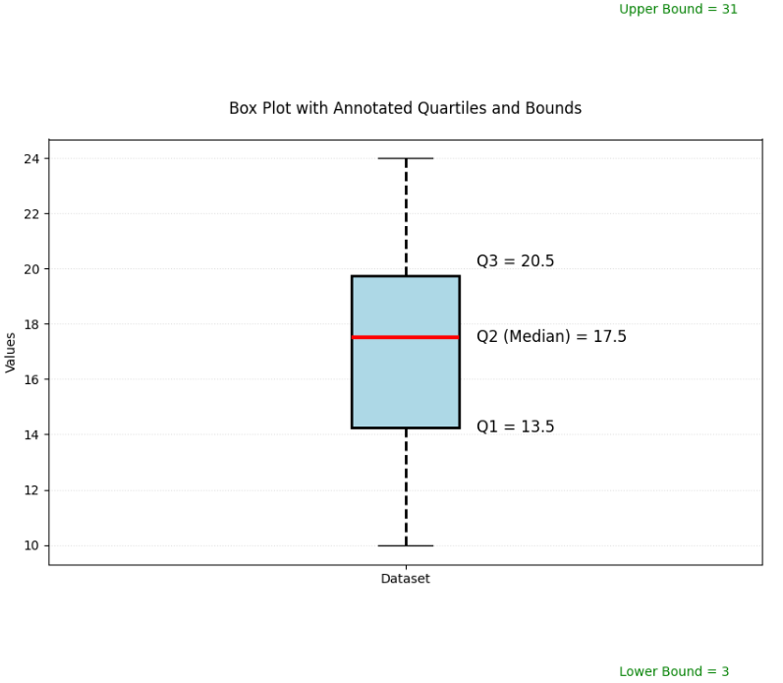
Dataset:
12
15
14
10
18
20
22
24
17
19

Lower bound =3
Upper bound=31
No outliers

